Sheet3
Device | Interface | IP Address | Subnet Mask /Prefix | Default Gateway | Ipv6 | Link-local | Subnet Name | Needed Size | Allocated Size | Address | Mask | Dec Mask | Assignable Range | Broadcast
POP_MDF pastatas layer2 |  |  |  |  |  |  | adm | 10 | 14 | 172.18.5.192 | /28 | 255.255.255.240 | 172.18.5.193 - 172.18.5.206 | 172.18.5.207
POP-Router | Serial0/2/0 (ITMC) | 172.18.6.17 | 255.255.255.252 /30 | N/A | 2021:17c:ced1:11::1/64 | FE80::200:CFF:FE9E:1001 | aud1 | 14 | 14 | 172.18.5.160 | /28 | 255.255.255.240 | 172.18.5.161 - 172.18.5.174 | 172.18.5.175
 | Serial0/2/1 (MDF) | 172.18.6.21 | 255.255.255.252 /30 | N/A | 2021:17c:ced1:22::1/64 | FE80::200:CFF:FE9E:1001 | aud2 | 16 | 30 | 172.18.5.96 | /27 | 255.255.255.224 | 172.18.5.97 - 172.18.5.126 | 172.18.5.127
 | Serial0/1/0 (EC) | 172.18.6.5 | 255.255.255.252 /30 | N/A | 2021:17c:ced1:33::1/64 | FE80::200:CFF:FE9E:1001 | mmc | 16 | 30 | 172.18.5.128 | /27 | 255.255.255.224 | 172.18.5.129 - 172.18.5.158 | 172.18.5.159
 | Gi0/0/0 | 172.18.5.193 | 255.255.255.240 /28 | N/A | 2021:17c:ced1:1::1/64 | FE80::1 | dmc | 24 | 30 | 172.18.5.0 | /27 | 255.255.255.224 | 172.18.5.1 - 172.18.5.30 | 172.18.5.31
 | Gi0/0/1 | 172.18.5.161 | 255.255.255.240 /28 | N/A | 2021:17c:ced1:2::1/64 | FE80::1 | dk | 5 | 6 | 172.18.5.208 | /29 | 255.255.255.248 | 172.18.5.209 - 172.18.5.214 | 172.18.5.215
 | Gi0/0/2 | 172.18.5.97 | 255.255.255.224 /27 | N/A | 2021:17c:ced1:3::1/64 | FE80::1 | apsauga | 4 | 6 | 172.18.5.216 | /29 | 255.255.255.248 | 172.18.5.217 - 172.18.5.222 | 172.18.5.223
MDF-Router | Serial0/2/1 (POP) | 172.18.6.22 | 255.255.255.252 /30 | N/A | 2021:17c:ced1:22::2/64 | FE80::2D0:58FF:FED3:C601 | ed | 14 | 14 | 172.18.5.176 | /28 | 255.255.255.240 | 172.18.5.177 - 172.18.5.190 | 172.18.5.191
 | Serial0/2/0 (EC) | 172.18.6.1 | 255.255.255.252 /30 | N/A | 2021:17c:ced1:44::1/64 | FE80::2D0:58FF:FED3:C601 | ec | 18 | 30 | 172.18.5.32 | /27 | 255.255.255.224 | 172.18.5.33 - 172.18.5.62 | 172.18.5.63
 | Serial0/1/1 (ITMC) | 172.18.6.13 | 255.255.255.252 /30 | N/A | 2021:17c:ced1:55::1/64 | FE80::2D0:58FF:FED3:C601 | tc | 18 | 30 | 172.18.5.64 | /27 | 255.255.255.224 | 172.18.5.65 - 172.18.5.94 | 172.18.5.95
 | Gi0/0/0 | 172.18.5.129 | 255.255.255.224 /27 | N/A | 2021:17c:ced1:4::1/64 | FE80::1
 | Gi0/0/1 | 172.18.5.1 | 255.255.255.224 /27 | N/A | 2021:17c:ced1:5::1/64 | FE80::1 | Subnet Name | Needed Size | Allocated Size | Address | Mask | Dec Mask | Assignable Range | Broadcast
Admin-Sw | Vlan1 | 172.18.5.194 | 255.255.255.240 /28 | 172.18.5.193 | 2021:17c:ced1:1::2/64 | FE80::1 | ec-mdf | 2 | 2 | 172.18.6.0 | /30 | 255.255.255.252 | 172.18.6.1 - 172.18.6.2 | 172.18.6.3
AUD1-Sw | Vlan1 | 172.18.5.162 | 255.255.255.240 /28 | 172.18.5.161 | 2021:17c:ced1:2::2/64 | FE80::1 | ec-pop | 2 | 2 | 172.18.6.4 | /30 | 255.255.255.252 | 172.18.6.5 - 172.18.6.6 | 172.18.6.7
AUD2-Sw | Vlan1 | 172.18.5.98 | 255.255.255.224 /27 | 172.18.5.97 | 2021:17c:ced1:3::2/64 | FE80::1 | itmc-ec | 2 | 2 | 172.18.6.8 | /30 | 255.255.255.252 | 172.18.6.9 - 172.18.6.10 | 172.18.6.11
MMC-Sw | Vlan1 | 172.18.5.130 | 255.255.255.224 /27 | 172.18.5.129 | 2021:17c:ced1:4::2/64 | FE80::1 | itmc-mdf | 2 | 2 | 172.18.6.12 | /30 | 255.255.255.252 | 172.18.6.13 - 172.18.6.14 | 172.18.6.15
DMC-Sw | Vlan1 | 172.18.5.2 | 255.255.255.224 /27 | 172.18.5.1 | 2021:17c:ced1:5::2/64 | FE80::1 | pop-itmc | 2 | 2 | 172.18.6.16 | /30 | 255.255.255.252 | 172.18.6.17 - 172.18.6.18 | 172.18.6.19
POP_MDF pastatas end |  |  |  |  |  |  | pop-mdf | 2 | 2 | 172.18.6.20 | /30 | 255.255.255.252 | 172.18.6.21 - 172.18.6.22 | 172.18.6.23
PC-Admin1 | NIC | 172.18.5.195 | 255.255.255.240 /28 | 172.18.5.193 | 2021:17c:ced1:1::3/64 | FE80::1
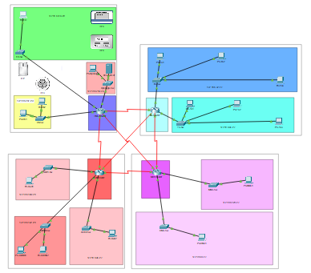
PC-Admin2 | NIC | 172.18.5.196 | 255.255.255.240 /28 | 172.18.5.193 | 2021:17c:ced1:1::4/64 | FE80::1
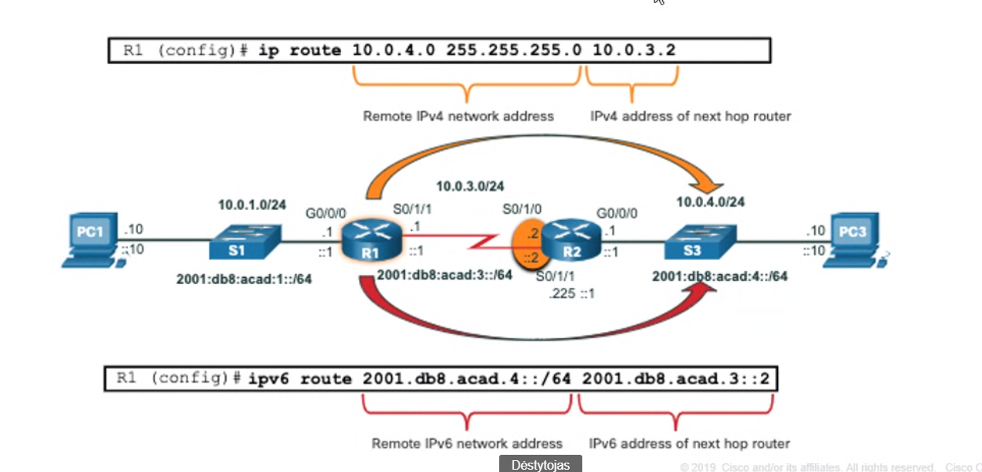
PC-Aud1 | NIC | 172.18.5.163 | 255.255.255.240 /28 | 172.18.5.161 | 2021:17c:ced1:2::3/64 | FE80::1
PC-Aud2 | NIC | 172.18.5.164 | 255.255.255.224 /27 | 172.18.5.97 | 2021:17c:ced1:3::3/64 | FE80::1
PC-MMC | NIC | 172.18.5.131 | 255.255.255.224 /27 | 172.18.5.129 | 2021:17c:ced1:4::3/64 | FE80::1
PC-DMC | NIC | 172.18.5.3 | 255.255.255.224 /27 | 172.18.5.1 | 2021:17c:ced1:5::3/64 | FE80::1
ITMC layer2
ITMC-Router | Serial0/2/1 (EC) | 172.18.6.9 | 255.255.255.252 /30 | N/A | 2021:17c:ced1:66::1/64 | FE80::2D0:58FF:FEB7:CA01
 | Serial0/2/0 (POP) | 172.18.6.18 | 255.255.255.252 /30 | N/A | 2021:17c:ced1:11::2/64 | FE80::2D0:58FF:FEB7:CA01
 | Serial0/1/1 (MDF) | 172.18.6.14 | 255.255.255.252 /30 | N/A | 2021:17c:ced1:55::2/64 | FE80::2D0:58FF:FEB7:CA01
 | Gi0/0/0 | 172.18.5.209 | 255.255.255.248 /29 | N/A | 2021:17c:ced1:6::1/64 | FE80::2
 | Gi0/0/1 | 172.18.5.217 | 255.255.255.248 /29 | N/A | 2021:17c:ced1:7::1/64 | FE80::2
 | Gi0/0/2 | 172.18.5.177 | 255.255.255.240 /28 | N/A | 2021:17c:ced1:8::1/64 | FE80::2
DK-Sw | Vlan1 | 172.18.5.210 | 255.255.255.248 /29 | 172.18.5.209 | 2021:17c:ced1:6::2/64 | FE80::2
Apsauga-Sw | Vlan1 | 172.18.5.218 | 255.255.255.248 /29 | 172.18.5.217 | 2021:17c:ced1:7::2/64 | FE80::2
ED-Sw | Vlan1 | 172.18.5.178 | 255.255.255.240 /28 | 172.18.5.177 | 2021:17c:ced1:8::2/64 | FE80::2
ED-AccessPoint | Vlan1 | N/A | N/A | 172.18.5.177 | N/A | N/A
ITMC-Wireless | Internet | 172.18.6.1 | 255.255.255.0 | 172.18.5.217 | N/A | N/A
ITMC end
PC-DK1 | NIC | 172.18.5.211 | 255.255.255.248 /29 | 172.18.5.209 | 2021:17c:ced1:6::3/64 | FE80::2
PC-DK2 | NIC | 172.18.5.212 | 255.255.255.248 /29 | 172.18.5.209 | 2021:17c:ced1:6::4/64 | FE80::2
PC-ED | NIC | 172.18.5.179 | 255.255.255.240 /28 | 172.18.5.177 | 2021:17c:ced1:8::3/64 | FE80::2
PC-Apsauga | NIC | 172.18.5.219 | 255.255.255.252 /30 | 172.18.5.217 | 2021:17c:ced1:7::3/64 | FE80::2
REG-Server | NIC | 172.18.5.220 | 255.255.255.252 /30 | 172.18.5.217 | 2021:17c:ced1:7::4/64 | FE80::2
Motion | NIC | 172.18.5.222 | 255.255.255.248 /29 | 172.18.5.209 | N/A | N/A
Tablet-ED | NIC | 172.18.5.181 | 255.255.255.240 /28 | 172.18.5.177 | N/A | N/A
PC-Ecw | NIC | 172.18.5.180 | 255.255.255.240 /28 | 172.18.5.177 | N/A | N/A
Tablet-ITMC | NIC | 172.18.5.189 | 255.255.255.240 /28 | 172.18.5.177 | Auto | Auto
EC layer2
EC-Router | Serial0/2/1 (ITMC) | 172.18.6.10 | 255.255.255.252 /30 | N/A | 2021:17c:ced1:66::2/64 | FE80::20D:BDFF:FED4:C301
 | Serial0/2/0 (MDF) | 172.18.6.2 | 255.255.255.252 /30 | N/A | 2021:17c:ced1:44::2/64 | FE80::20D:BDFF:FED4:C301
 | Serial0/1/0 (POP) | 172.18.6.6 | 255.255.255.252 /30 |  | 2021:17c:ced1:33::2/64 | FE80::20D:BDFF:FED4:C301
 | Gi0/0/0 | 172.18.5.33 | 255.255.255.224 /27 | N/A | 2021:17c:ced1:9::1/64 | FE80::2
 | Gi0/0/1 | 172.18.5.65 | 255.255.255.224 /27 | N/A | 2021:17c:ced1:a::1/64 | FE80::2
EC-Sw | Vlan1 | 172.18.5.34 | 255.255.255.224 /27 | N/A | 2021:17c:ced1:9::2/64 | FE80::2
TC-Sw | Vlan1 | 172.18.5.66 | 255.255.255.224 /27 | N/A | 2021:17c:ced1:a::2/64 | FE80::2
EC end
PC-EC1 | NIC | 172.18.5.35 | 255.255.255.224 /27 | 172.18.5.33 | 2021:17c:ced1:9::3/64 | FE80::2
PC-EC2 | NIC | 172.18.5.36 | 255.255.255.224 /27 | 172.18.5.33 | 2021:17c:ced1:9::4/64 | FE80::2
PC-EC3 | NIC | 172.18.5.37 | 255.255.255.224 /27 | 172.18.5.33 | 2021:17c:ced1:9::5/64 | FE80::2
PC-TC1 | NIC | 172.18.5.67 | 255.255.255.224 /27 | 172.18.5.65 | 2021:17c:ced1:a::3/64 | FE80::2
PC-TC2 | NIC | 172.18.5.68 | 255.255.255.224 /27 | 172.18.5.65 | 2021:17c:ced1:a::4/64 | FE80::2
PC-TC3 | NIC | 172.18.5.69 | 255.255.255.224 /27 | 172.18.5.65 | 2021:17c:ced1:a::5/64 | FE80::2

